Taylor conditons
 | deep | shallow | deep | shallow | deep | shallow | deep | shallow
2016-12-12 12:23:30 | 11.3 | 7.6 | 11.3 | 7.6 | 11.3 | 7.6 | 11.3 | 7.6
2016-12-24 10:04:12 | 11.1 | 6.9 | 11.1 | 6.9 | 11.1 | 6.9 | 11.1 | 6.9
2016-12-30 09:55:41 | 11.2 | 6.9 | 11.2 | 6.9 | 11.2 | 6.9 | 11.2 | 6.9
2017-01-06 10:18:32 | 9.5 | 8.5 | 9.5 | 8.5 | 9.5 | 8.5 | 9.5 | 8.5
2017-01-13 09:18:47 | 9.3 | 6.8 | 9.3 | 6.8 | 9.3 | 6.8 | 9.3 | 6.8
2017-01-20 10:08:16 | 10.2 | 8.3 | 10.2 | 8.3 | 10.2 | 8.3 | 10.2 | 8.3
2017-01-27 08:30:17 | 9.7 | 8 | 9.7 | 8 | 9.7 | 8 | 9.7 | 8
2017-02-03 12:02:34 | 8.6 | 8.5 | 8.6 | 8.5 | 8.6 | 8.5 | 8.6 | 8.5
2017-02-10 15:06:43 | 7.8 | 7.6 | 7.8 | 7.6 | 7.8 | 7.6 | 7.8 | 7.6
2017-02-17 08:19:15 | 9.6 | 8.8 | 9.6 | 8.8 | 9.6 | 8.8 | 9.6 | 8.8
2017-02-24 14:39:44 | 9.4 | 8 | 9.4 | 8 | 9.4 | 8 | 9.4 | 8
2017-03-03 12:56:02 | 8.8 | 7.6 | 8.8 | 7.6 | 8.8 | 7.6 | 8.8 | 7.6
2017-03-14 09:55:38 | 8.9 | 8.5 | 8.9 | 8.5 | 8.9 | 8.5 | 8.9 | 8.5
2017-03-21 13:20:49 | 8.9 | 8.9 | 8.9 | 8.9 | 8.9 | 8.9 | 8.9 | 8.9
2017-03-28 13:13:16 | 8.7 | 9.3 | 8.7 | 9.3 | 8.7 | 9.3 | 8.7 | 9.3
2017-04-04 11:44:03 | 8.7 | 9.3 | 8.7 | 9.3 | 8.7 | 9.3 | 8.7 | 9.3
2017-04-11 14:09:09 | 8.9 | 10.1 | 8.9 | 10.1 | 8.9 | 10.1 | 8.9 | 10.1
2017-04-18 10:42:41 | 8.9 | 10.6 | 8.9 | 10.6 | 8.9 | 10.6 | 8.9 | 10.6
2017-04-25 15:20:55 | 9.1 | 11.5 | 9.1 | 11.5 | 9.1 | 11.5 | 9.1 | 11.5
2017-05-02 12:54:48 | 9.1 | 11.2 | 9.1 | 11.2 | 9.1 | 11.2 | 9.1 | 11.2
2017-05-09 11:36:37 | 9.6 | 12.3 | 9.6 | 12.3 | 9.6 | 12.3 | 9.6 | 12.3
2017-05-16 13:18:12 | 9.2 | 13.2 | 9.2 | 13.2 | 9.2 | 13.2 | 9.2 | 13.2
2017-05-23 11:28:24 | 10.4 | 14.3 | 10.4 | 14.3 | 10.4 | 14.3 | 10.4 | 14.3
2017-05-30 15:36:22 | 9.9 | 18.8 | 9.9 | 18.8 | 9.9 | 18.8 | 9.9 | 18.8
2017-06-06 10:02:02 | 10.3 | 15.2 | 10.3 | 15.2 | 10.3 | 15.2 | 10.3 | 15.2
2017-06-13 11:03:32 | 9.6 | 13.6 | 9.6 | 13.6 | 9.6 | 13.6 | 9.6 | 13.6
2017-06-20 14:47:34 | 10 | 15 | 10 | 15 | 10 | 15 | 10 | 15
2017-06-27 13:31:20 | 10.3 | 18.2 | 10.3 | 18.2 | 10.3 | 18.2 | 10.3 | 18.2
 |  | Sal-Shallow | Temp-Shallow | DO-Shallow
winter | 2016-12-12 11:51:40 | 25.16 | 7.6 | 92.8 | 18.8
winter | 2016-12-24 09:44:00 | 26.25 | 6.9 | 97.1 | 6.8
winter | 2016-12-30 09:27:05 | 26.41 | 6.9 | 88.5
winter | 2017-01-06 10:01:03 | 28.95 | 8.5 | 71.9
winter | 2017-01-13 08:57:19 | 29.36 | 6.8 | 82.4
winter | 2017-01-20 09:45:54 | 27.89 | 8.3 | 76.9
winter | 2017-01-27 08:22:15 | 25.97 | 8 | 91.5
winter | 2017-02-03 11:51:55 | 29.24 | 8.5 | 86.5
 | deep | shallow
2016-12-12 12:23:30 | 29.17 | 25.16
2016-12-24 10:04:12 | 29.29 | 26.25
2016-12-30 09:55:41 | 29.37 | 26.41
2017-01-06 10:18:32 | 28.97 | 28.95
2017-01-13 09:18:47 | 29.82 | 29.36
2017-01-20 10:08:16 | 30.33 | 27.89
2017-01-27 08:30:17 | 30.13 | 25.97
2017-02-03 12:02:34 | 29.38 | 29.24
2017-02-10 15:06:43 | 28.26 | 28.16
2017-02-17 08:19:15 | 30.14 | 25.38
2017-02-24 14:39:44 | 30.08 | 24.47
2017-03-03 12:56:02 | 29.49 | 24.14
2017-03-14 09:55:38 | 29.45 | 26.99
2017-03-21 13:20:49 | 29.47 | 26.9
2017-03-28 13:13:16 | 29.3 | 24.74
2017-04-04 11:44:03 | 28.94 | 27.14
2017-04-11 14:09:09 | 28.89 | 24.95
2017-04-18 10:42:41 | 29.01 | 25.24
2017-04-25 15:20:55 | 28.84 | 25
2017-05-02 12:54:48 | 28.9 | 26.05
2017-05-09 11:36:37 | 28.57 | 26.25
2017-05-16 13:18:12 | 28.83 | 25.19
2017-05-23 11:28:24 | 28.55 | 26.12
2017-05-30 15:36:22 | 28.73 | 22.67
2017-06-06 10:02:02 | 28.36 | 25.77
2017-06-13 11:03:32 | 28.68 | 26.83
2017-06-20 14:47:34 | 28.77 | 26.36
2017-06-27 13:31:20 | 28.45 | 25.44
winter | 2017-02-10 15:03:57 | 28.16 | 7.6 | 95.3
winter | 2017-02-17 08:13:04 | 25.38 | 8.8 | 85.4
 | deep | shallow
2016-12-12 12:23:30 | 53.1 | 92.8
2016-12-24 10:04:12 | 50.4 | 97.1
2016-12-30 09:55:41 | 46.4 | 88.5
2017-01-06 10:18:32 | 68.9 | 71.9
2017-01-13 09:18:47 | 71.3 | 82.4
2017-01-20 10:08:16 | 46.1 | 76.9
2017-01-27 08:30:17 | 56.9 | 91.5
2017-02-03 12:02:34 | 80 | 86.5
2017-02-10 15:06:43 | 91.7 | 95.3
2017-02-17 08:19:15 | 54.9 | 85.4
2017-02-24 14:39:44 | 69.9 | 111.3
2017-03-03 12:56:02 | 72.9 | 101.3
2017-03-14 09:55:38 | 70.4 | 94.8
2017-03-21 13:20:49 | 69.9 | 97.3
2017-03-28 13:13:16 | 75 | 104.7
2017-04-04 11:44:03 | 75.2 | 111.4
2017-04-11 14:09:09 | 78.8 | 116.9
2017-04-18 10:42:41 | 72.3 | 111.9
2017-04-25 15:20:55 | 73.2 | 100.7
2017-05-02 12:54:48 | 71.9 | 117
2017-05-09 11:36:37 | 69.6 | 116.7
2017-05-16 13:18:12 | 62.9 | 100.8
2017-05-23 11:28:24 | 69.1 | 134.2
2017-05-30 15:36:22 | 60.4 | 99.8
2017-06-06 10:02:02 | 62.7 | 122
2017-06-13 11:03:32 | 56.5 | 102.5
2017-06-20 14:47:34 | 55.6 | 103.1
2017-06-27 13:31:20 | 58.1 | 104.8
winter | 2017-02-24 14:32:37 | 24.47 | 8 | 111.3
winter | 2017-03-03 12:49:25 | 24.14 | 7.6 | 101.3
winter | 2017-03-14 09:46:44 | 26.99 | 8.5 | 94.8
winter | 2017-03-21 13:15:13 | 26.9 | 8.9 | 97.3
winter | 2017-03-28 13:05:44 | 24.74 | 9.3 | 104.7
spring | 2017-04-04 11:37:02 | 27.14 | 9.3 | 111.4
spring | 2017-04-11 14:00:33 | 24.95 | 10.1 | 116.9
spring | 2017-04-18 10:36:28 | 25.24 | 10.6 | 111.9
spring | 2017-04-25 15:16:37 | 25 | 11.5 | 100.7
spring | 2017-05-02 12:49:37 | 26.05 | 11.2 | 117
spring | 2017-05-09 11:32:05 | 26.25 | 12.3 | 116.7
spring | 2017-05-16 13:13:30 | 25.19 | 13.2 | 100.8
spring | 2017-05-23 11:25:12 | 26.12 | 14.3 | 134.2
spring | 2017-05-30 15:32:17 | 22.67 | 18.8 | 99.8
spring | 2017-06-06 09:58:17 | 25.77 | 15.2 | 122
spring | 2017-06-13 11:00:04 | 26.83 | 13.6 | 102.5
spring | 2017-06-20 14:44:40 | 26.36 | 15 | 103.1
spring | 2017-06-27 13:28:19 | 25.44 | 18.2 | 104.8
...
 |  |  |  |  |  |  | Sal-Shallow | Temp-Shallow | DO-Shallow |  | Sal-Deep | Temp-Deep | DO-Deep
 |  |  |  |  |  | Shallow winter | 26.667333333 | 8.0133333333 | 91.846666667 | Deep winter | 29.51 | 9.5333333333 | 65.186666667
 |  |  |  |  |  | sd shallow winter | 1.743295183 | 0.77077573787 | 10.364352827 | sd deep winter | 0.53311751586 | 1.028637564 | 13.24876634
 |  |  |  |  |  | SE | 0.32945182258 | 0.14566292279 | 1.9586785772 | SE | 0.10074974047 | 0.1943942274 | 2.5037814938
 |  |  |  |  |  | CV shallow winter | 6.5371935066 | 9.6186656141 | 11.284408246 | CV deep winter | 1.8065656247 | 10.789904518 | 20.324350081
...

carbonate chem
 | Deep | Shallow
12/12/2016 | 2052.0 | 1796.3
12/30/2016 | 2066.4 | 1863.6
1/13/2017 | 2028.0 | 1993.3
1/20/2017 | 2070.1 | 1901.3
1/27/2017 | 2049.2 | 1802.5
2/10/2017 | 1912.7 | 1906.8
2/17/2017 | 2054.7 | 1766.3
2/24/2017 | 2052.4 | 1709.9
3/3/2017 | 2012.8 | 1697.3
3/14/2017 | 2009.3 | 1855.8
3/21/2017 | 2008.5 | 1827.5
3/28/2017 | 1993.8 | 1666.2
4/4/2017 | 1977.7 | 1815.6
4/11/2017 | 1977.4 | 1594.1
4/25/2017 | 1978.4 | 1648.6
5/9/2017 | 1960.0 | 1685.7
5/23/2017 | 2092.5 | 1802.7
5/30/2017 | 2194.7 | 1698.2
6/13/2017 | 2101.2 | 1830.6
6/27/2017 | 2041.1 | 1731.9
12/12/2016
12/30/2016
1/13/2017
1/20/2017
1/27/2017
2/10/2017
2/17/2017
2/24/2017
3/3/2017
3/14/2017
3/21/2017
3/28/2017
4/4/2017
4/11/2017
4/25/2017
5/9/2017
5/23/2017
5/30/2017
6/13/2017
6/27/2017
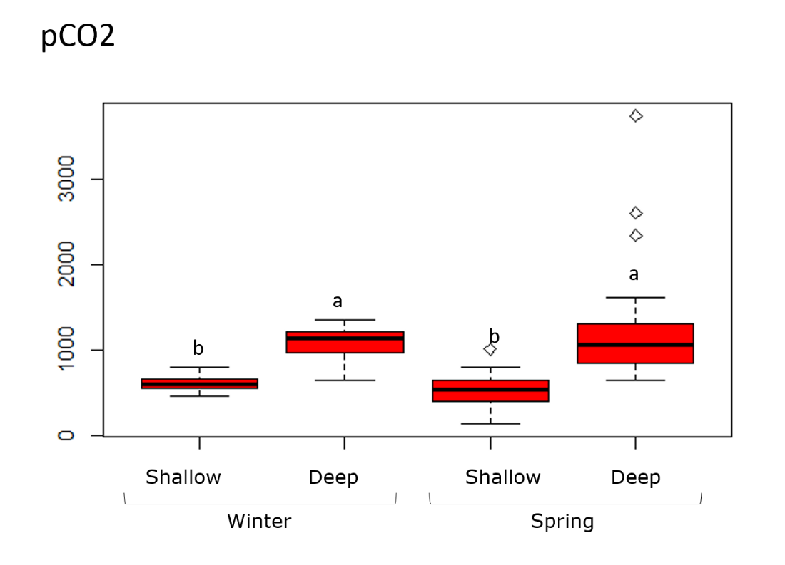
CO32- (umol/kg) | calcite saturation state | aragonite saturation state | Revelle factor | CO2SYS notes
39.58 | 1.0 | 0.6 | 18.88 | used total scale for pH
37.59 | 0.9 | 0.6 | 18.79 | used total scale for pH
45.75 | 1.1 | 0.7 | 18.86 | used total scale for pH
39.29 | 1.0 | 0.6 | 18.78 | used total scale for pH
41.81 | 1.0 | 0.6 | 18.88 | used total scale for pH
56.23 | 1.4 | 0.9 | 18.08 | used total scale for pH
40.25 | 1.0 | 0.6 | 18.88 | used total scale for pH
40.03 | 1.0 | 0.6 | 18.90 | used total scale for pH
45.00 | 1.1 | 0.7 | 18.95 | used total scale for pH
44.95 | 1.1 | 0.7 | 18.94 | used total scale for pH
50.08 | 1.2 | 0.8 | 18.69 | used total scale for pH
48.95 | 1.2 | 0.7 | 18.75 | used total scale for pH
 | Deep | Shallow
12/12/2016 | 1256.4198915 | 577.07215331
12/30/2016 | 1339.4810146 | 564.54562842
1/13/2017 | 981.89491708 | 789.29668153
1/20/2017 | 1252.8721308 | 725.8085249
1/27/2017 | 1124.0232562 | 632.48099302
2/10/2017 | 639.82586281 | 631.56358396
2/17/2017 | 1168.1035652 | 671.42199366
2/24/2017 | 1159.7562381 | 518.95740521
3/3/2017 | 954.43429757 | 451.78206495
3/14/2017 | 955.86287845 | 596.68939722
3/21/2017 | 857.17748843 | 501.24640764
3/28/2017 | 853.37850351 | 246.07304293
4/4/2017 | 766.64561194 | 357.72200776
4/11/2017 | 818.31667104 | 128.43038256
4/25/2017 | 804.39855692 | 216.04493311
5/9/2017 | 751.03391229 | 210.23030004
5/23/2017 | 2598.8687049 | 530.73130214
5/30/2017 | 3738.1878666 | 1001.8488927
6/13/2017 | 2335.6651807 | 481.58148639
6/27/2017 | 1602.5918531 | 433.51461005
12/12/2016
12/30/2016
1/13/2017
1/20/2017
1/27/2017
2/10/2017
2/17/2017
2/24/2017
3/3/2017
3/14/2017
3/21/2017
3/28/2017
4/4/2017
4/11/2017
4/25/2017
5/9/2017
5/23/2017
5/30/2017
6/13/2017
6/27/2017
53.16 | 1.3 | 0.8 | 18.47 | used total scale for pH
 | Deep | Shallow
12/12/2016 | 7.56 | 7.84
12/30/2016 | 7.53 | 7.86
1/13/2017 | 7.65 | 7.73
1/20/2017 | 7.56 | 7.76
1/27/2017 | 7.60 | 7.80
2/10/2017 | 7.81 | 7.82
2/17/2017 | 7.58 | 7.77
2/24/2017 | 7.58 | 7.87
3/3/2017 | 7.66 | 7.92
3/14/2017 | 7.66 | 7.84
3/21/2017 | 7.71 | 7.90
3/28/2017 | 7.71 | 8.17
4/4/2017 | 7.75 | 8.04
4/11/2017 | 7.72 | 8.42
4/25/2017 | 7.73 | 8.22
5/9/2017 | 7.76 | 8.24
5/23/2017 | 7.24 | 7.89
5/30/2017 | 7.09 | 7.62
6/13/2017 | 7.29 | 7.93
6/27/2017 | 7.45 | 7.97
12/12/2016
12/30/2016
1/13/2017
1/20/2017
1/27/2017
2/10/2017
2/17/2017
2/24/2017
3/3/2017
3/14/2017
3/21/2017
3/28/2017
4/4/2017
4/11/2017
4/25/2017
5/9/2017
5/23/2017
5/30/2017
6/13/2017
6/27/2017
50.25 | 1.2 | 0.8 | 18.68 | used total scale for pH
51.58 | 1.3 | 0.8 | 18.59 | used total scale for pH
55.12 | 1.4 | 0.8 | 18.27 | used total scale for pH
18.12 | 0.4 | 0.3 | 14.65 | used total scale for pH
13.04 | 0.3 | 0.2 | 11.59 | used total scale for pH
19.79 | 0.5 | 0.3 | 15.44 | used total scale for pH
28.66 | 0.7 | 0.4 | 18.14 | used total scale for pH
51.27 | 1.3 | 0.8 | 18.61 | used total scale for pH
55.88 | 1.4 | 0.9 | 18.29 | used total scale for pH
48.49 | 1.2 | 0.7 | 18.93 | used total scale for pH
49.94 | 1.2 | 0.8 | 18.67 | used total scale for pH
48.84 | 1.2 | 0.8 | 18.70 | used total scale for pH
56.03 | 1.4 | 0.9 | 18.10 | used total scale for pH
45.37 | 1.1 | 0.7 | 18.86 | used total scale for pH
51.83 | 1.3 | 0.8 | 18.13 | used total scale for pH
56.97 | 1.4 | 0.9 | 17.60 | used total scale for pH
57.16 | 1.4 | 0.9 | 17.96 | used total scale for pH
66.66 | 1.7 | 1.0 | 16.84 | used total scale for pH
105.30 | 2.6 | 1.6 | 12.86 | used total scale for pH
92.33 | 2.3 | 1.4 | 14.45 | used total scale for pH
175.04 | 4.4 | 2.7 | 9.62 | used total scale for pH
127.28 | 3.2 | 2.0 | 11.55 | used total scale for pH
143.27 | 3.6 | 2.2 | 10.90 | used total scale for pH
76.69 | 1.9 | 1.2 | 15.73 | used total scale for pH
41.94 | 1.1 | 0.7 | 18.71 | used total scale for pH
85.11 | 2.1 | 1.3 | 15.08 | used total scale for pH
99.37 | 2.5 | 1.6 | 13.52 | used total scale for pH

 |  |  |  |  |  |  | 1116.2848048

aragonite saturation state | ID | depth | Time | DIC (µmol/kg) | TA (µmol/kg) | pH Total In-situ | pCO2 (uatm) | aragonite saturation state | ID | depth | Time | DIC (µmol/kg) | TA (µmol/kg) | pH Total In-situ | pCO2 (uatm) | aragonite saturation state
...

CV figure
 | 5 m Winter | 30 m Winter | 5 m Spring | 30 m Spring
Temperature (°C) | 9.61 | 1.05 | 21.76 | 6.32
Salinity (PSU) | 6.52 | 1.80 | 4.37 | 0.70
DO (% Sat) | 11.28 | 20.19 | 9.29 | 11.50
DIC (µmol/kg) | 4.69 | 2.15 | 5.57 | 4.32
TA (µmol/kg) | 4.41 | 1.38 | 3.71 | 0.61
pCO2 (µatm) | 24.40 | 19.68 | 65.47 | 66.57
pHT | 1.40 | 1.05 | 3.11 | 3.60
Ω ara | 26.97 | 11.76 | 39.02 | 50.00
5 m Spring |  |  | 30 m Spring
Mean | SD | CV | Mean | SD | CV
13.33 | 2.9 | 21.76 | 9.5 | 0.6 | 6.32
25.62 | 1.12 | 4.37 | 28.73 | 0.2 | 0.70
110.91 | 10.3 | 9.29 | 66.63 | 7.66 | 11.50
1725.93 | 96.18 | 5.57 | 2040.38 | 88.18 | 4.32
1867.08 | 69.25 | 3.71 | 2021 | 12.32 | 0.61
420.01 | 274.97 | 65.47 | 1676.96 | 1116.28 | 66.57
8.04 | 0.25 | 3.11 | 7.5 | 0.27 | 3.60
1.64 | 0.64 | 39.02 | 0.56 | 0.28 | 50.00

